Bugs
 | Severe - game breaking or ruining bugs (crashes, progression blocked, malfunctioning code). Fix immediately
 | Attention required - fix quickly
 | Ignorable - fix whenever (or bug might be inconsequential and refer to a mechanic that will be removed or replaced)
 | Annoyance - not technically bugs but might still need attention (spelling mistakes, alignment issues, bad graphics etc)
 | Fun - bugs that actually improve the gameplay experience

 | Most references to Pokemon abilities still use u8 when they should use u16. Some bugs related to abilities seem to exist because of this (loafing around, traced X etc). Many have been changed but there will definitely be some left so check this often
>> | Wait function doesn't work when called via the start menu register function
 | ShouldSwitchIfWonderGuard needs updating when available in C - AI_TypeCalc needs to use a Pokemon's types from their substructs rather than the species types
>> | Minor graphical glitch on trainer card when time rolls over from 65535:59 to 0:00
 | Contest type icons are borked. Game sometimes crashes when attempting to scroll through Pokemon on the summary screen whilst viewing their contest moves. Doesn't matter as contests are being removed
 | Contests themselves are pretty borked, as are Pokeblocks and other contest related things as contest stats have been removed. Who cares tho lol
 | Wait menu is missing fadescreens and sound effects
>> | Get returned to overworld after renaming Pokemon instead of returning to party menu screen
 | Overworld palette 15 fails to update sometimes resulting in weird coloured grass or menu icons. Not massively concerning seeing as dynamic palette loading will be added anyway. Appears to happen after a long period of time has elapsed
>> | Pokemon types are re-randomized if it hatches from an egg on super random
>> | Pokemon should know no less than 2 moves when generated on super random
 | Pokemon should be generated with at least one offensive move on super random (add this after PSS)
 | As Legendary Pokemon aren't defined yet, Shiny Charm will still affect them & they can be generated in any rarity like normal Pokemon
>> | Eviolite doesn't prevent evolution
 | Trainer card reads "PLAY TIME" instead of "PLAYED". Keep it consistent
 | Safari Ball text on start menu could look a little nicer
 | Screen fades to black then quickly pops to white after whiting out on nuzlocke modes after the game restarts. Maybe make screen fade to white in nuzlocke modes?
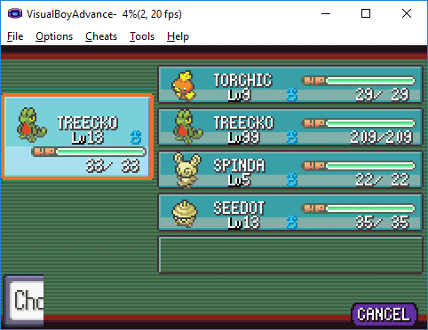
>> | Graphical glitch on Pokemon screen - see right of this cell
 | CreateMon & CreateBoxMon have both been modified to take extra fields. There may be uncompiled instances where this leads to bugs - looks like there might be one relating to BoxMons in the storage system
>> | Rarity seems to be ignored when creating a trainer's first Pokemon in double battles
 | There's a chance that Rarity will be ignored when creating a trainer's Pokemon in double battles
>> | Options menu when accessed from anywhere other than the main menu has a black background. Background needs to be white

Time
 | DNS |  |  |  |  |  |  |  |  |  |  |  |  |  | Notes | World Event | Melemele | Akala | Ula'ula | Poni
 | The DNS works pretty much straight out of the box with this system as it only checks bytes in the RAM and doesn't load the routine itself |  |  |  |  |  |  |  |  |  |  | Spring | Early | Monday | Palette change | Spring Festival |  |  | Swarm
 | Hours still use values 00-23 so no special mechanics need to be written |  |  |  |  |  |  |  |  |  |  |  |  | Tuesday |  |  |  | Bug
 |  |  |  |  |  |  |  |  |  |  |  |  |  | Wednesday | MARCH |  |  |  | Fishing
 |  | SPRING | SPRING | SUMMER | SUMMER | FALL | FALL | WINTER | WINTER | Time | Statusbyte |  |  | Thursday
 |  | Week 0 | Week 1 | Week 0 | Week 1 | Week 0 | Week 1 | Week 0 | Week 1 | Night | 0 |  |  | Friday | Palette change | Blossom |  |  |  | Swarm
00 | 0:00:00 | Night | Night | Night | Night | Night | Night | Night | Night | Night | 1,2,3 |  |  | Saturday |  | Blossom | Swarm
01 | 1:00:00 | Night | Night | Night | Night | Night | Night | Night | Night | Day | 4,5,6 |  |  | Sunday | APRIL | Blossom |  | Swarm
02 | 2:00:00 | Night | Night | Night | Night | Night | Night | Night | Night | Day | 7,8,9 |  | Late | Monday |  | Blossom |  |  | Swarm
03 | 3:00:00 | Night | Night | Night | Night | Night | Night | Night | Night | Day | B,C,D |  |  | Tuesday | Palette change |  |  | Bug
04 | 4:00:00 | Night | Night | Dawn | Night | Night | Night | Night | Night | Day | A |  |  | Wednesday |  |  |  |  | Fishing
05 | 5:00:00 | Night | Dawn | Dawn | Dawn | Night | Night | Night | Night | Day | E,F,10 |  |  | Thursday | MAY
06 | 6:00:00 | Dawn | Dawn | Day | Dawn | Dawn | Night | Night | Night | Day | 11,12,13 |  |  | Friday |  | Alola Day |  |  |  | Swarm
07 | 7:00:00 | Dawn | Day | Day | Day | Dawn | Dawn | Night | Dawn | Night | 14,15,16 |  |  | Saturday | Palette change |  | Swarm |  |  |  | 23CB
08 | 8:00:00 | Day | Day | Day | Day | Day | Dawn | Dawn | Dawn | Night | 17,18,19 |  |  | Sunday |  |  |  | Swarm
09 | 9:00:00 | Day | Day | Day | Day | Day | Day | Dawn | Day |  |  | Summer | Early | Monday |  |  |  |  | Swarm
0A | 10:00:00 | Day | Day | Day | Day | Day | Day | Day | Day |  |  |  |  | Tuesday | JUNE | Fishing Season |  | Bug
0B | 11:00:00 | Day | Day | Day | Day | Day | Day | Day | Day |  |  |  |  | Wednesday | Palette change | Fishing Season |  |  | Fishing
0C | 12:00:00 | Day | Day | Day | Day | Day | Day | Day | Day |  |  |  |  | Thursday |  | Fishing Season
0D | 13:00:00 | Day | Day | Day | Day | Day | Day | Day | Day |  |  |  |  | Friday |  |  |  |  |  | Swarm
0E | 14:00:00 | Day | Day | Day | Day | Day | Day | Day | Day |  |  |  |  | Saturday |  |  | Swarm
0F | 15:00:00 | Day | Day | Day | Day | Day | Day | Day | Day |  |  |  |  | Sunday | Palette change |  |  | Swarm
10 | 16:00:00 | Day | Day | Day | Day | Day | Day | Dusk | Day |  |  |  | Late | Monday | JULY |  |  |  | Swarm
11 | 17:00:00 | Day | Day | Day | Day | Day | Dusk | Dusk | Dusk |  |  |  |  | Tuesday |  |  |  | Bug
12 | 18:00:00 | Dusk | Day | Day | Day | Dusk | Dusk | Night | Dusk |  |  |  |  | Wednesday |  |  |  |  | Fishing
13 | 19:00:00 | Dusk | Dusk | Day | Dusk | Dusk | Night | Night | Night |  |  |  |  | Thursday | Palette change
14 | 20:00:00 | Night | Dusk | Dusk | Dusk | Night | Night | Night | Night |  |  |  |  | Friday | AUGUST |  |  |  |  | Swarm
15 | 21:00:00 | Night | Night | Dusk | Night | Night | Night | Night | Night |  |  |  |  | Saturday |  | Battle Season | Swarm
16 | 22:00:00 | Night | Night | Night | Night | Night | Night | Night | Night |  |  |  |  | Sunday |  | Battle Season |  | Swarm
17 | 23:00:00 | Night | Night | Night | Night | Night | Night | Night | Night |  |  | Fall | Early | Monday | Palette change | Battle Season |  |  | Swarm
 |  |  |  |  |  |  |  |  |  |  |  |  |  | Tuesday |  | Battle Season |  | Bug
 |  | SPRING | SPRING | SUMMER | SUMMER | FALL | FALL | WINTER | WINTER |  |  |  |  | Wednesday | SEPTEMBER |  |  |  | Fishing
 |  |  |  |  |  |  |  |  |  |  |  |  |  | Thursday
 |  | THE GAME BEGINS ON TUESDAY, LATE SPRING, AT 8AM |  |  |  |  |  |  |  |  |  |  |  | Friday | Palette change |  |  |  |  | Swarm | FA2A
 |  |  |  |  |  |  |  |  |  |  |  |  |  | Saturday |  | Harvest | Swarm
 |  |  |  |  |  |  |  |  |  |  |  |  |  | Sunday | OCTOBER | Harvest |  | Swarm
 |  |  |  |  |  |  |  |  |  |  |  |  | Late | Monday |  | Harvest |  |  | Swarm
 |  |  |  |  |  |  |  |  |  |  |  |  |  | Tuesday | Palette change | Hallowe'en |  | Bug
 |  |  |  |  |  |  |  |  |  |  |  |  |  | Wednesday |  |  |  |  | Fishing
 |  |  |  |  |  |  |  |  |  |  |  |  |  | Thursday | NOVEMBER
 |  |  |  |  |  |  |  |  |  |  |  |  |  | Friday |  |  |  |  |  | Swarm
 |  |  |  |  |  |  |  |  |  |  |  |  |  | Saturday | Palette change |  | Swarm
 |  |  |  |  |  |  |  |  |  |  |  |  |  | Sunday |  | Flu Season |  | Swarm
 |  | CAVE LIGHTING |  |  |  |  |  |  |  |  |  | Winter | Early | Monday |  | Blackout |  |  | Swarm
 |  | Cave lighting is set by the weather loading function, check there for more details |  |  |  |  |  |  |  |  |  |  |  | Tuesday | DECEMBER |  |  | Bug
 |  | 1E - standard cave colour filter |  |  |  |  |  |  |  |  |  |  |  | Wednesday | Palette change |  |  |  | Fishing
 |  | 1F - darker cave colour filter. Darker and less blue than regular, closer to black |  |  |  |  |  |  |  |  |  |  |  | Thursday |  | Holiday
 |  | 20 - icy cave filter. Cool, light blue to whitewash the palettes slightly |  |  |  |  |  |  |  |  |  |  |  | Friday |  |  |  |  |  | Swarm
 |  | 21 - magma cave filter. Red/orange heat filter. Use in caves with magma pools etc |  |  |  |  |  |  |  |  |  |  |  | Saturday |  |  | Swarm
 |  | 22 - damp cave filter. More green than 1E, makes everything look dingy and mossy |  |  |  |  |  |  |  |  |  |  |  | Sunday | Palette change |  |  | Swarm
 |  | 23 - pool cave filter. Lighter blue than 1E, more of a sky blue. Use in caves with clear pools to make everything look "aquatic" |  |  |  |  |  |  |  |  |  |  | Late | Monday | JANUARY |  |  |  | Swarm
 |  | 24 - sandy cave filter. Almost a sepia filter. Makes everything look dry and dead. Use in beachside caves |  |  |  |  |  |  |  |  |  |  |  | Tuesday |  |  |  | Bug
 |  | 25 - dark sandy cave filter. Same thing as previous but darker, for use in deep sandy caves |  |  |  |  |  |  |  |  |  |  |  | Wednesday |  |  |  |  | Fishing
 |  | 26 - mystic. Makes everything look sacred |  |  |  |  |  |  |  |  |  |  |  | Thursday | Palette change
 |  | 27 - glowing cave. Murky but vivid blue to use in caves with lichen |  |  |  |  |  |  |  |  |  |  |  | Friday | FEBRUARY |  |  |  |  | Swarm
 |  | 28 - spooky filter. Deep purple and makes everything look sinister (also used in abandoned buildings) |  |  |  |  |  |  |  |  |  |  |  | Saturday |  |  | Swarm
 |  | 29 - dive. Everything looks underwater. Player & other objects are coloured too |  |  |  |  |  |  |  |  |  |  |  | Sunday |  |  |  | Swarm

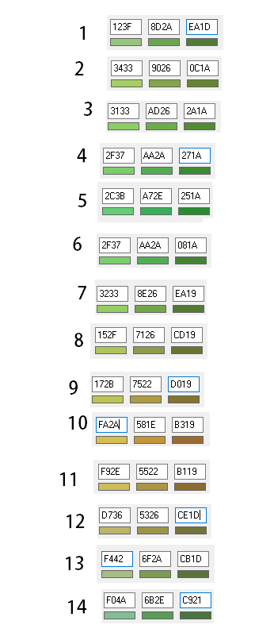

 |  |  |  |  |  | Pal 0 | Pal 1 | Pal 2
 |  |  |  | 1 | Spring | 14 | 1 | 2
 |  |  |  | 2 | Spring | 1 | 2 | 3
 |  |  |  | 3 | Spring | 2 | 3 | 4
 |  |  |  | 4 | Spring | 3 | 4 | 5
 |  |  |  | 5 | Summer | 4 | 5 | 6
 |  |  |  | 6 | Summer | 5 | 6 | 7
 |  |  |  | 7 | Summer | 6 | 7 | 8
 |  |  |  | 8 | Fall | 7 | 8 | 9
 |  |  |  | 9 | Fall | 8 | 9 | 10
 |  |  |  | 10 | Fall | 9 | 10 | 11
 |  |  |  | 11 | Fall | 10 | 11 | 12
 |  |  |  | 12 | Winter | 11 | 12 | 13
 |  |  |  | 13 | Winter | 12 | 13 | 14
 |  |  |  | 14 | Winter | 13 | 14 | 1

